Worksheet
 |  |  |  |  |  |  |  |  |  | 2,558,256.00 € | 4755
IMAGE | SKU | BRAND | PRODUCT | GROUP | SEASON | GENDER | COLOR | COMPOSITION | RETAIL PRICE | TOTAL RETAIL | TOT.QTY | TU | XS | S | M | L | XL | XXL | 36 | 37 | 37.5 | 38 | 38.5 | 39 | 39.5 | 40 | 40.5 | 41 | 41.5 | 42 | 42.5 | 43 | 43.5 | 44 | 45 | 46 | 48 | 50 | 52 | 54 | 56 | 58 | 60
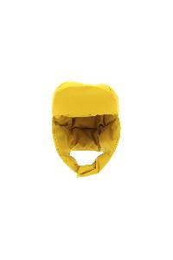 | BER0002UL11106_1250 | Herno | HAT | Accessories | FW | Man | 1250 | 100% PL | € 156.00 | € 156.00 | 1 |  |  |  | 1
 | BER0002UL11106_7250 | Herno | HAT | Accessories | FW | Man | EMERALD | 100% PL | € 156.00 | € 156.00 | 1 |  |  |  | 1
 | ZAINO1UL11107_6901 | Herno | BAGPACK | Bags | FW | Man | RED | 100% PL | € 390.00 | € 390.00 | 1 |  |  |  |  |  |  |  |  |  |  |  |  |  |  |  |  |  |  |  |  |  |  |  |  |  |  | 1
 | PE000029U33344_3550 | Herno | CABAN | Clothing | FW | Man | ACID | 75% WV 25% PA | € 790.00 | € 1580.00 | 2 |  |  |  |  |  |  |  |  |  |  |  |  |  |  |  |  |  |  |  |  |  |  |  |  |  |  |  |  | 1 | 1
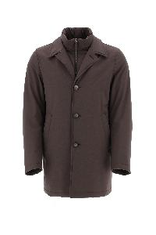 | CA000141U12339_8993 | Herno | COAT | Clothing | FW | Man | DARK BROWN | 70% PL 30% VI | € 728.00 | € 728.00 | 1 |  |  |  |  |  |  |  |  |  |  |  |  |  |  |  |  |  |  |  |  |  |  |  |  |  |  | 1
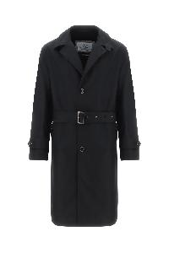 | CA000154U13158_9300 | Herno | COAT | Clothing | FW | Man | BLACK | 83% CO 17% PA | € 914.00 | € 914.00 | 1 |  |  |  |  |  |  |  |  |  |  |  |  |  |  |  |  |  |  |  |  |  |  |  |  |  |  | 1
 | CA0091U38020_9480 | Herno | COAT | Clothing | FW | Man | GREY | 100% WS | € 1788.00 | € 1788.00 | 1 |  |  |  |  |  |  |  |  |  |  |  |  |  |  |  |  |  |  |  |  |  |  |  |  | 1
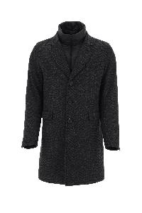 | CA000151U33346_9300 | Herno | COAT | Clothing | FW | Man | BLACK | 80% WV 20% PL | € 986.00 | € 2958.00 | 3 |  |  |  |  |  |  |  |  |  |  |  |  |  |  |  |  |  |  |  |  |  |  |  |  |  |  |  |  | 2 | 1
 | PI000924U33343_9478 | Herno | DOWN JACKET | Clothing | FW | Man | GREY | 66% WO 24% PA 10% VI | € 790.00 | € 790.00 | 1 |  |  |  |  |  |  |  |  |  |  |  |  |  |  |  |  |  |  |  |  |  |  |  |  |  |  |  |  |  |  |  | 1
 | PI000950U33357_8993 | Herno | DOWN JACKET | Clothing | FW | Man | DARK BROWN | 54% WO 45% PL 1% EA | € 958.00 | € 958.00 | 1 |  |  |  |  |  |  |  |  |  |  |  |  |  |  |  |  |  |  |  |  |  |  |  |  |  | 1
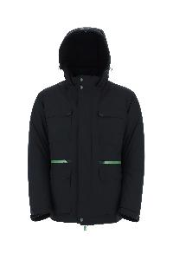 | PI00235UL11121_9372 | Herno | DOWN JACKET | Clothing | FW | Man | BLACK GREEN | 100% PL | € 914.00 | € 914.00 | 1 |  |  |  |  |  |  |  |  |  |  |  |  |  |  |  |  |  |  |  |  |  |  |  |  |  |  | 1
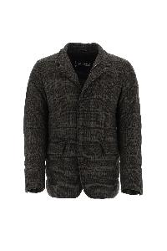 | PI000946U33358_8993 | Herno | DOWN JACKET | Clothing | FW | Man | DARK BROWN | 76% WO 19% PL 4% PA 1% EA | € 886.00 | € 1772.00 | 2 |  |  |  |  |  |  |  |  |  |  |  |  |  |  |  |  |  |  |  |  |  |  |  |  |  |  | 2
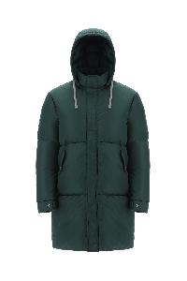 | PI000877U12358_7550 | Herno | DOWN JACKET | Clothing | FW | Man | GREEN | 100% PA | € 1008.00 | € 5040.00 | 5 |  |  |  |  |  |  |  |  |  |  |  |  |  |  |  |  |  |  |  |  |  |  |  |  |  | 1 | 3 | 1
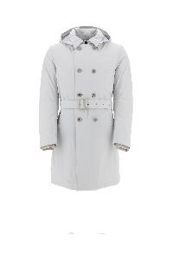 | PI00256UL11121_1250 | Herno | DOWN JACKET | Clothing | FW | Man | 1250 | 100% PL | € 1036.00 | € 6216.00 | 6 |  |  |  |  |  |  |  |  |  |  |  |  |  |  |  |  |  |  |  |  |  |  |  |  |  |  | 6
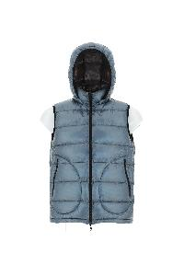 | PI000904U12398_9105 | Herno | DOWN JACKET | Clothing | FW | Man | LIGHT BLUE | 100% PA | € 622.00 | € 4354.00 | 7 |  |  |  |  |  |  |  |  |  |  |  |  |  |  |  |  |  |  |  |  |  |  |  |  |  |  | 7
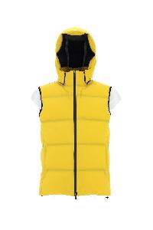 | PI00237UL12590S_3350 | Herno | DOWN JACKET | Clothing | FW | Man | YELLOW GOLD | 89% PA 11% EA | € 830.00 | € 6640.00 | 8 |  |  |  |  |  |  |  |  |  |  |  |  |  |  |  |  |  |  |  |  |  |  |  |  |  |  | 8
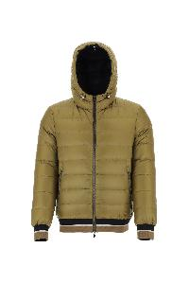 | PI000866U12020_3550 | Herno | DOWN JACKET | Clothing | FW | Man | ACID | 100% PA | € 718.00 | € 6462.00 | 9 |  |  |  |  |  |  |  |  |  |  |  |  |  |  |  |  |  |  |  |  |  |  |  |  |  |  | 9
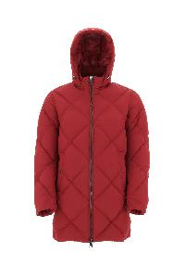 | PI000936U12458_6500 | Herno | DOWN JACKET | Clothing | FW | Man | CHERRY | 100% PL | € 684.00 | € 6156.00 | 9 |  |  |  |  |  |  |  |  |  |  |  |  |  |  |  |  |  |  |  |  |  |  |  |  |  |  | 9
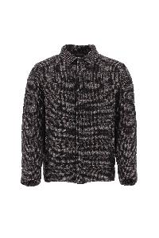 | PI000965UM0113160P_9489 | Herno | DOWN JACKET | Clothing | FW | Man | BLACK WHITE | 100% CO | € 815.00 | € 7335.00 | 9 |  |  |  |  |  |  |  |  |  |  |  |  |  |  |  |  |  |  |  |  |  |  |  |  |  |  | 9
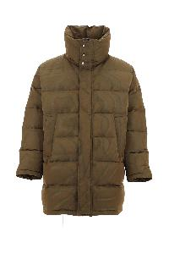 | PI000958U12467_3550 | Herno | DOWN JACKET | Clothing | FW | Man | ACID | 71% PA 29% PL | € 668.00 | € 6680.00 | 10 |  |  |  |  |  |  |  |  |  |  |  |  |  |  |  |  |  |  |  |  |  |  |  |  |  |  | 10
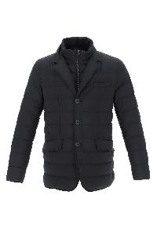 | PI001ULE19288_9200 | Herno | DOWN JACKET | Clothing | FW | Man |  | 100% PA | € 718.00 | € 10052.00 | 14 |  |  |  |  |  |  |  |  |  |  |  |  |  |  |  |  |  |  |  |  |  |  | 10 |  | 4
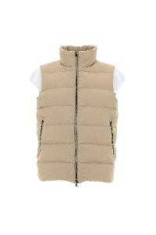 | PI000933U12409_2000 | Herno | DOWN VEST | Clothing | FW | Man | SAND | 100% PL | € 532.00 | € 532.00 | 1 |  |  |  |  |  |  |  |  |  |  |  |  |  |  |  |  |  |  |  |  |  |  |  |  |  |  | 1
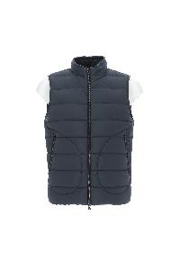 | PI012ULE19288_9200 | Herno | DOWN VEST | Clothing | FW | Man | NAVY | 100% PA | € 556.00 | € 1112.00 | 2 |  |  |  |  |  |  |  |  |  |  |  |  |  |  |  |  |  |  |  |  |  |  |  |  | 2
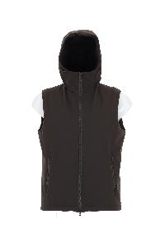 | PI000919U12217S_8940 | Herno | DOWN VEST | Clothing | FW | Man | BROWN | 71% PA 29% EA | € 634.00 | € 1902.00 | 3 |  |  |  |  |  |  |  |  |  |  |  |  |  |  |  |  |  |  |  |  |  |  |  |  |  |  | 3
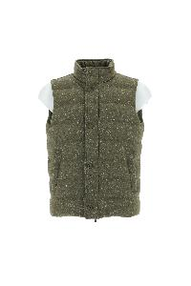 | PI00082UR33337_7600 | Herno | DOWN VEST | Clothing | FW | Man | GREEN | 50% WOR 28% PA 22% SEM | € 650.00 | € 3250.00 | 5 |  |  |  |  |  |  |  |  |  |  |  |  |  |  |  |  |  |  |  |  |  |  |  |  |  | 1 | 2 | 2
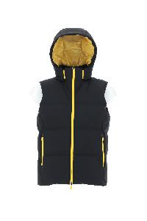 | PI00227UL11106_9333 | Herno | DOWN VEST | Clothing | FW | Man | BLACK YELLOW | 100% PL | € 612.00 | € 3060.00 | 5 |  |  |  |  |  |  |  |  |  |  |  |  |  |  |  |  |  |  |  |  |  |  |  |  |  |  | 5
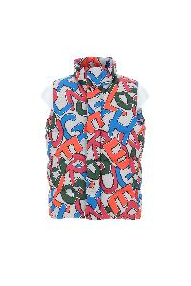 | PI000954U12474P_9999 | Herno | DOWN VEST | Clothing | FW | Man | MULTICOLOR | 100% PL | € 768.00 | € 4608.00 | 6 |  |  |  |  |  |  |  |  |  |  |  |  |  |  |  |  |  |  |  |  |  |  |  |  |  |  | 6
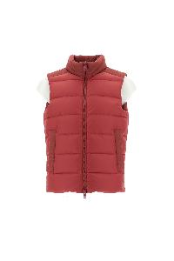 | PI000862U12004_6500 | Herno | DOWN VEST | Clothing | FW | Man | CHERRY | 100% PA | € 504.00 | € 4536.00 | 9 |  |  |  |  |  |  |  |  |  |  |  |  |  |  |  |  |  |  |  |  |  |  |  |  |  |  | 9
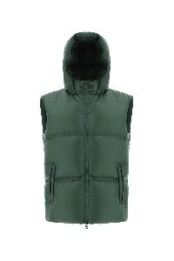 | PI000876U12361_7550 | Herno | DOWN VEST | Clothing | FW | Man | GREEN | 100% PA | € 790.00 | € 7110.00 | 9 |  |  |  |  |  |  |  |  |  |  |  |  |  |  |  |  |  |  |  |  |  |  |  |  |  | 1 |  | 2 | 2 | 2 | 1 | 1
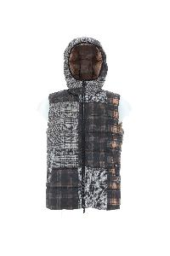 | PI000953U12476P_9325 | Herno | DOWN VEST | Clothing | FW | Man | 9325 | 100% PL | € 612.00 | € 5508.00 | 9 |  |  |  |  |  |  |  |  |  |  |  |  |  |  |  |  |  |  |  |  |  |  |  |  |  |  | 9
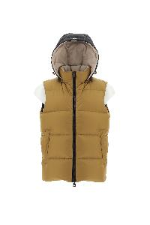 | PI000916U12004_3550 | Herno | DOWN VEST | Clothing | FW | Man | ACID | 100% PA | € 544.00 | € 7616.00 | 14 |  |  |  |  |  |  |  |  |  |  |  |  |  |  |  |  |  |  |  |  |  |  |  |  |  |  | 14
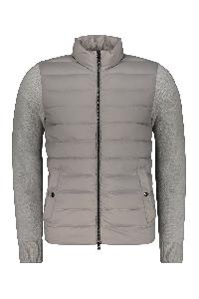 | MP000114U70066_9404 | Herno | Full zip jacket | Clothing | FW | Man | grigio | 100% WO | € 550.00 | € 550.00 | 1 |  |  |  |  |  |  |  |  |  |  |  |  |  |  |  |  |  |  |  |  |  |  |  |  |  |  |  |  |  | 1
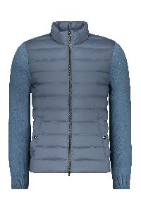 | MP000114U70066_9105 | Herno | Full zip jacket | Clothing | FW | Man | blu | 100% WO | € 550.00 | € 2200.00 | 4 |  |  |  |  |  |  |  |  |  |  |  |  |  |  |  |  |  |  |  |  |  |  |  |  |  |  |  | 1 | 1 | 1 | 1
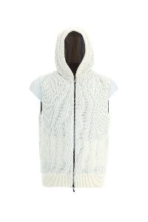 | MC00007UR70083_1010 | Herno | GILET | Clothing | FW | Man | WHITE CREAM | 100% WO | € 616.00 | € 616.00 | 1 |  |  |  |  |  |  |  |  |  |  |  |  |  |  |  |  |  |  |  |  |  |  |  |  |  |  | 1
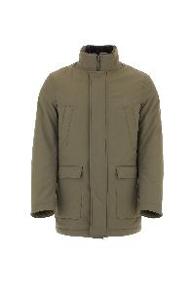 | FI000085U12343_7740 | Herno | JACKET | Clothing | FW | Man | MILITARY | 100% PL | € 662.00 | € 662.00 | 1 |  |  |  |  |  |  |  |  |  |  |  |  |  |  |  |  |  |  |  |  |  |  |  |  |  |  | 1
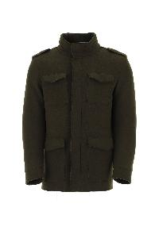 | FI000086U33187_7730 | Herno | JACKET | Clothing | FW | Man | LIGHT MILITARY | 78% WV 22% PA | € 880.00 | € 880.00 | 1 |  |  |  |  |  |  |  |  |  |  |  |  |  |  |  |  |  |  |  |  |  |  |  |  |  |  | 1
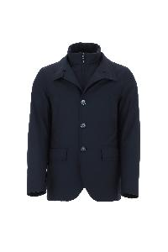 | GA000140U12339_9200 | Herno | JACKET | Clothing | FW | Man | NAVY | 70% PL 30% VI | € 734.00 | € 734.00 | 1 |  |  |  |  |  |  |  |  |  |  |  |  |  |  |  |  |  |  |  |  |  |  |  |  |  |  | 1
 | MC000151U70048_9300 | Herno | JACKET | Clothing | FW | Man | BLACK | 100% WO | € 335.00 | € 335.00 | 1 |  |  |  |  |  |  |  |  |  |  |  |  |  |  |  |  |  |  |  |  |  |  |  |  |  |  | 1
 | MC0004U70005_2155 | Herno | JACKET | Clothing | FW | Man | BEIGE | 70% WP 30% PA | € 836.00 | € 836.00 | 1 |  |  |  |  |  |  |  |  |  |  |  |  |  |  |  |  |  |  |  |  |  |  |  |  | 1
 | PI00226UL11106_3350 | Herno | JACKET | Clothing | FW | Man | YELLOW GOLD | 100% PL | € 836.00 | € 836.00 | 1 |  |  |  |  |  |  |  |  |  |  |  |  |  |  |  |  |  |  |  |  |  |  |  |  |  |  |  | 1
 | PI154UL11121_9300 | Herno | JACKET | Clothing | FW | Man | BLACK | 100% PL | € 325.00 | € 325.00 | 1 |  |  |  |  |  |  |  |  |  |  |  |  |  |  |  |  |  |  |  |  |  |  |  |  |  |  | 1
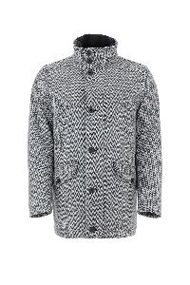 | FI000090U33351_9406 | Herno | JACKET | Clothing | FW | Man | LIGHT GREY | 93% WV 7% WS | € 1176.00 | € 3528.00 | 3 |  |  |  |  |  |  |  |  |  |  |  |  |  |  |  |  |  |  |  |  |  |  |  |  |  |  | 3
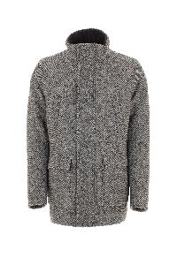 | GC000067U33362_8993 | Herno | JACKET | Clothing | FW | Man | DARK BROWN | 100% WV | € 970.00 | € 2910.00 | 3 |  |  |  |  |  |  |  |  |  |  |  |  |  |  |  |  |  |  |  |  |  |  |  |  |  |  | 3
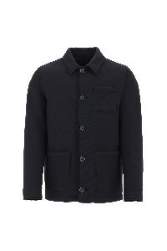 | GI000310U39500_9290 | Herno | JACKET | Clothing | FW | Man | DARK BLUE | 100% VI | € 746.00 | € 2238.00 | 3 |  |  |  |  |  |  |  |  |  |  |  |  |  |  |  |  |  |  |  |  |  |  |  |  |  |  | 3
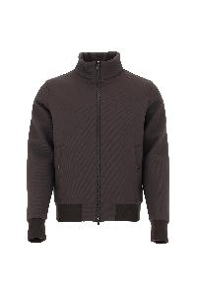 | GI000311U39500_8993 | Herno | JACKET | Clothing | FW | Man | DARK BROWN | 100% VI | € 728.00 | € 2184.00 | 3 |  |  |  |  |  |  |  |  |  |  |  |  |  |  |  |  |  |  |  |  |  |  |  |  |  |  | 3
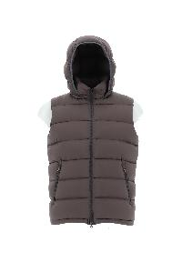 | PI0767U12403_8993 | Herno | JACKET | Clothing | FW | Man | DARK BROWN | 100% PA | € 606.00 | € 1818.00 | 3 |  |  |  |  |  |  |  |  |  |  |  |  |  |  |  |  |  |  |  |  |  |  |  |  |  |  | 3
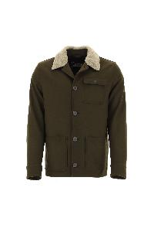 | GI000303U39601_7730 | Herno | JACKET | Clothing | FW | Man | LIGHT MILITARY | 80% WO 20% PA | € 616.00 | € 3080.00 | 5 |  |  |  |  |  |  |  |  |  |  |  |  |  |  |  |  |  |  |  |  |  |  |  |  |  |  | 5
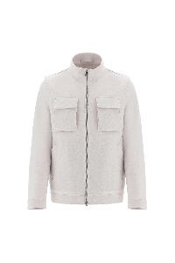 | GI000315U33325_1980 | Herno | JACKET | Clothing | FW | Man | LIGHT BEIGE | 100% WV | € 830.00 | € 4980.00 | 6 |  |  |  |  |  |  |  |  |  |  |  |  |  |  |  |  |  |  |  |  |  |  |  |  |  |  | 6
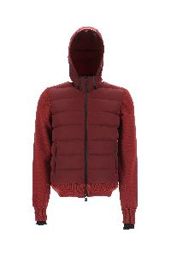 | MP002UL70019_6901 | Herno | JACKET | Clothing | FW | Man | RED | 60% PL 40% WV | € 790.00 | € 4740.00 | 6 |  |  |  |  |  |  |  |  |  |  |  |  |  |  |  |  |  |  |  |  |  |  |  |  |  |  | 6
 | PI00260UL12695_3350 | Herno | JACKET | Clothing | FW | Man | YELLOW GOLD | 100% PA | € 746.00 | € 5222.00 | 7 |  |  |  |  |  |  |  |  |  |  |  |  |  |  |  |  |  |  |  |  |  |  |  |  |  |  | 1 | 3 | 1 | 1 | 1
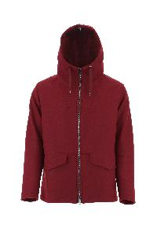 | GC000066U33344_6500 | Herno | JACKET | Clothing | FW | Man | CHERRY | 75% WV 25% PA | € 858.00 | € 7722.00 | 9 |  |  |  |  |  |  |  |  |  |  |  |  |  |  |  |  |  |  |  |  |  |  |  |  |  |  | 9
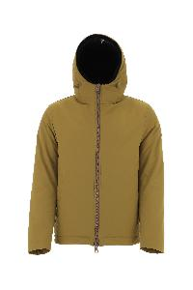 | GI000306U12343_3550 | Herno | JACKET | Clothing | FW | Man | ACID | 100% PL | € 572.00 | € 5148.00 | 9 |  |  |  |  |  |  |  |  |  |  |  |  |  |  |  |  |  |  |  |  |  |  |  |  |  |  | 9
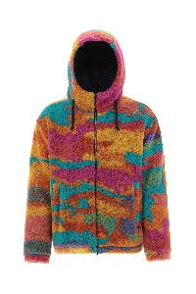 | GI000308U12480_9999 | Herno | JACKET | Clothing | FW | Man | MULTICOLOR | 100% PL | € 606.00 | € 6060.00 | 10 |  |  |  |  |  |  |  |  |  |  |  |  |  |  |  |  |  |  |  |  |  |  |  |  |  |  | 10
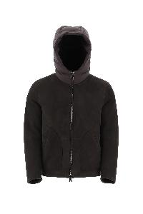 | PL000117U18122_8993 | Herno | MUTTON | Clothing | FW | Man | DARK BROWN | 100% MONTONE (OVIS ARIES) | € 2880.00 | € 20160.00 | 7 |  |  |  |  |  |  |  |  |  |  |  |  |  |  |  |  |  |  |  |  |  |  |  |  |  |  | 7
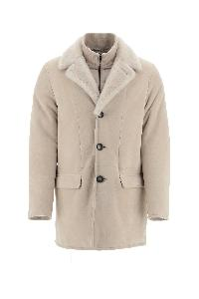 | PL000118U18122_1985 | Herno | MUTTON | Clothing | FW | Man | CHANTILLY | 100% MONTONE (OVIS ARIES) | € 3344.00 | € 26752.00 | 8 |  |  |  |  |  |  |  |  |  |  |  |  |  |  |  |  |  |  |  |  |  |  |  |  |  |  | 8
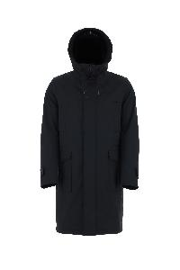 | PA000104U12343_9300 | Herno | OUTERWEAR | Clothing | FW | Man | nero | 100% PL | € 796.00 | € 1592.00 | 2 |  |  |  |  |  |  |  |  |  |  |  |  |  |  |  |  |  |  |  |  |  |  |  |  |  |  | 2
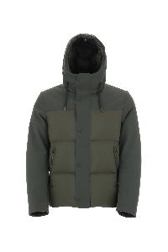 | PI000898U12456_7720 | Herno | OUTERWEAR | Clothing | FW | Man | verde | 100% PA | € 830.00 | € 1660.00 | 2 |  |  |  |  |  |  |  |  |  |  |  |  |  |  |  |  |  |  |  |  |  |  |  |  |  |  | 2
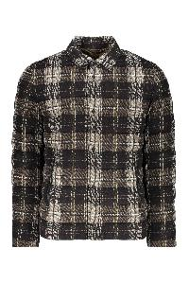 | PI000965U13154P_8993 | Herno | Padded cotton puffer jacket | Clothing | FW | Man | marrone | 100% CO | € 818.00 | € 3272.00 | 4 |  |  |  |  |  |  |  |  |  |  |  |  |  |  |  |  |  |  |  |  |  |  |  |  |  |  | 3 |  | 1
 | PA000110U33187_1985 | Herno | PARKA | Clothing | FW | Man | CHANTILLY | 78% WV 22% PA | € 350.00 | € 350.00 | 1 |  |  |  |  |  |  |  |  |  |  |  |  |  |  |  |  |  |  |  |  |  |  |  |  |  |  | 1
 | PI00245UL11106_9300 | Herno | PARKA | Clothing | FW | Man | BLACK | 100% PL | € 355.00 | € 355.00 | 1 |  |  |  |  |  |  |  |  |  |  |  |  |  |  |  |  |  |  |  |  |  |  |  |  |  |  | 1
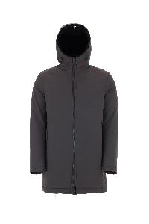 | PA0072U12343_8800 | Herno | PARKA | Clothing | FW | Man | FONDANT | 100% PL | € 668.00 | € 2004.00 | 3 |  |  |  |  |  |  |  |  |  |  |  |  |  |  |  |  |  |  |  |  |  |  |  |  |  |  | 3
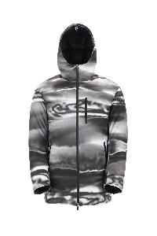 | PI00263UL12694_9310 | Herno | PARKA | Clothing | FW | Man | BLACK WHITE | 100% PL | € 780.00 | € 3120.00 | 4 |  |  |  |  |  |  |  |  |  |  |  |  |  |  |  |  |  |  |  |  |  |  |  |  |  |  | 4
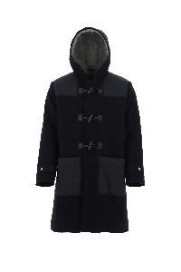 | PA000111U33187_9290 | Herno | PARKA | Clothing | FW | Man | DARK BLUE | 78% WV 22% PA | € 1014.00 | € 5070.00 | 5 |  |  |  |  |  |  |  |  |  |  |  |  |  |  |  |  |  |  |  |  |  |  |  |  |  |  | 5
 | PI000940U12343_1985 | Herno | PARKA | Clothing | FW | Man | CHANTILLY | 100% PL | € 1232.00 | € 6160.00 | 5 |  |  |  |  |  |  |  |  |  |  |  |  |  |  |  |  |  |  |  |  |  |  |  |  |  |  | 5
 | PI100UL11121_7250 | Herno | PARKA | Clothing | FW | Man | EMERALD | 100% PL | € 930.00 | € 6510.00 | 7 |  |  |  |  |  |  |  |  |  |  |  |  |  |  |  |  |  |  |  |  |  |  |  |  |  |  | 7
 | PA000105U33342_9045 | Herno | PARKA | Clothing | FW | Man | BLUE | 100% WO | € 1020.00 | € 9180.00 | 9 |  |  |  |  |  |  |  |  |  |  |  |  |  |  |  |  |  |  |  |  |  |  |  |  |  |  | 9
 | PA000106U39500_6500 | Herno | PARKA | Clothing | FW | Man | CHERRY | 100% VI | € 830.00 | € 7470.00 | 9 |  |  |  |  |  |  |  |  |  |  |  |  |  |  |  |  |  |  |  |  |  |  |  |  |  |  | 9
 | PA000113U33346_7740 | Herno | PARKA | Clothing | FW | Man | MILITARY | 80% WV 20% PL | € 1204.00 | € 10836.00 | 9 |  |  |  |  |  |  |  |  |  |  |  |  |  |  |  |  |  |  |  |  |  |  |  |  |  |  | 9
 | IM000300U13158_7740 | Herno | RAIN COAT | Clothing | FW | Man | MILITARY | 83% CO 17% PA | € 824.00 | € 824.00 | 1 |  |  |  |  |  |  |  |  |  |  |  |  |  |  |  |  |  |  |  |  |  |  |  |  |  |  | 1
 | PI000927U12474P_9999 | Herno | Short down jacket | Clothing | FW | Man | multicolor | 100% PL | € 868.00 | € 868.00 | 1 |  |  |  |  |  |  |  |  |  |  |  |  |  |  |  |  |  |  |  |  |  |  |  |  |  | 1
 | JC000021U56005_7093 | Herno | SWEATER | Clothing | FW | Man | 7093 | 33% WO 33% PC 28% VI 5% PA 1% EA | € 644.00 | € 1288.00 | 2 |  |  |  |  |  |  |  |  |  |  |  |  |  |  |  |  |  |  |  |  |  |  |  |  |  |  | 2
 | JP000108U56005_9394 | Herno | SWEATER | Clothing | FW | Man | BLACK GREY | 33% WO 33% PC 28% VI 5% PA 1% EA | € 510.00 | € 1020.00 | 2 |  |  |  |  |  |  |  |  |  |  |  |  |  |  |  |  |  |  |  |  |  |  |  |  |  |  | 2
 | JP000107U56005_9294 | Herno | SWEATER | Clothing | FW | Man | BLUE GREY | 33% WO 33% PC 28% VI 5% PA 1% EA | € 700.00 | € 2100.00 | 3 |  |  |  |  |  |  |  |  |  |  |  |  |  |  |  |  |  |  |  |  |  |  |  |  |  |  | 3
 | JG00018UL50027_3350 | Herno | SWEATER | Clothing | FW | Man | YELLOW GOLD | 80% CO 20% PL | € 180.00 | € 1800.00 | 10 |  |  |  |  |  |  |  |  |  |  |  |  |  |  |  |  |  |  |  |  |  |  |  |  |  |  | 10
 | JG00018UL50027_7250 | Herno | SWEATER | Clothing | FW | Man | EMERALD | 80% CO 20% PL | € 180.00 | € 1980.00 | 11 |  |  |  |  |  |  |  |  |  |  |  |  |  |  |  |  |  |  |  |  |  |  |  |  |  |  | 11
 | JG00017UL50027_9300 | Herno | SWEATSHIRT | Clothing | FW | Man | BLACK | 80% CO 20% PL | € 90.00 | € 90.00 | 1 |  |  |  |  |  |  |  |  |  |  |  |  |  |  |  |  |  |  |  |  |  |  |  |  |  |  | 1
 | JP00002UL50049_1250 | Herno | SWEATSHIRT | Clothing | FW | Man | IVORY | 52% PA 48% CO | € 235.00 | € 235.00 | 1 |  |  |  |  |  |  |  |  |  |  |  |  |  |  |  |  |  |  |  |  |  |  |  |  |  |  | 1
 | IM000298U12339_8993 | Herno | TRENCH | Clothing | FW | Man | DARK BROWN | 70% PL 30% VI | € 952.00 | € 1904.00 | 2 |  |  |  |  |  |  |  |  |  |  |  |  |  |  |  |  |  |  |  |  |  |  |  |  |  |  | 2
 | IM000305U33350_9310 | Herno | TRENCH | Clothing | FW | Man | BLACK WHITE | 58% WOR 26% CO 14% PA 2% AF | € 924.00 | € 2772.00 | 3 |  |  |  |  |  |  |  |  |  |  |  |  |  |  |  |  |  |  |  |  |  |  |  |  |  |  | 3
 | PT00005UL12795_1250 | Herno | TROUSER | Clothing | FW | Man | 1250 | 100% PL | € 258.00 | € 1290.00 | 5 |  |  |  |  | 5
 | MG00004UR70082_9404 | Herno | T-SHIRT | Clothing | FW | Man | WHITE | 100% WO | € 398.00 | € 398.00 | 1 |  |  |  |  |  |  |  |  |  |  |  |  |  |  |  |  |  |  |  |  |  |  |  |  |  |  |  |  | 1
 | JPL00109U52003_1000 | Herno | T-SHIRT | Clothing | FW | Man | WHITE | 92% CO 8% EA | € 224.00 | € 896.00 | 4 |  |  |  |  |  |  |  |  |  |  |  |  |  |  |  |  |  |  |  |  |  |  |  |  |  |  | 4
 | ML00001UR70079_9201 | Herno | T-SHIRT | Clothing | FW | Man | BLUE | 100% WV | € 336.00 | € 1344.00 | 4 |  |  |  |  |  |  |  |  |  |  |  |  |  |  |  |  |  |  |  |  |  |  |  |  |  |  | 4
 | JPL00109U52003_7740 | Herno | T-SHIRT | Clothing | FW | Man | MILITARY | 92% CO 8% EA | € 224.00 | € 1568.00 | 7 |  |  |  |  |  |  |  |  |  |  |  |  |  |  |  |  |  |  |  |  |  |  |  |  |  |  | 7
 | MAPIMAG12017_9300 | Herno | ARM WARMERS | Accessories | FW | Woman | BLACK | 100% PA | € 125.00 | € 1000.00 | 8 |  |  |  | 8
 | FOULARD9015011_9251 | Herno | FOULARD (90X90) | Accessories | FW | Woman | BLUE | 100% SEM | € 246.00 | € 246.00 | 1 | 1
 | FOULARD9015011_5980 | Herno | FOULARD (90X90) | Accessories | FW | Woman | BORDEAUX | 100% SEM | € 246.00 | € 738.00 | 3 | 3
 | BER00009D12017_7745 | Herno | HAT | Accessories | FW | Woman | GREEN MILITARY | 100% PA | € 84.00 | € 168.00 | 2 |  |  | 1 | 1
 | BER00009D12017_9200 | Herno | HAT | Accessories | FW | Woman | NAVY | 100% PA | € 84.00 | € 252.00 | 3 |  |  |  | 3
 | BER0001DL11106_7250 | Herno | HAT | Accessories | FW | Woman | EMERALD | 100% PL | € 156.00 | € 936.00 | 6 |  |  | 1 | 5
 | BER00007D70100_9200 | Herno | HAT | Accessories | FW | Woman | NAVY | 100% WO | € 115.00 | € 805.00 | 7 | 7
 | BER0001DL11106_4770 | Herno | HAT | Accessories | FW | Woman | POMACE | 100% PL | € 156.00 | € 1092.00 | 7 |  |  |  | 7
 | BER0002DL76013_1250 | Herno | HAT | Accessories | FW | Woman | 1250 | 100% PL | € 84.00 | € 756.00 | 9 | 9
 | BER0001DL11106_9300 | Herno | HAT | Accessories | FW | Woman | BLACK | 100% PL | € 156.00 | € 1560.00 | 10 |  |  | 1 | 9
 | BER0001DL11106_1250 | Herno | HAT | Accessories | FW | Woman | 1250 | 100% PL | € 156.00 | € 2028.00 | 13 |  |  | 1 | 12
 | CAPP01D12017_9300 | Herno | HAT | Accessories | FW | Woman | BLACK | 100% PA | € 94.00 | € 17108.00 | 182 |  |  | 71 | 37 | 74
 | COL0001DL11106_7250 | Herno | NECK WARMER | Accessories | FW | Woman | EMERALD | 100% PL | € 172.00 | € 1204.00 | 7 | 7
 | COL0001DL11106_4770 | Herno | NECK WARMER | Accessories | FW | Woman | POMACE | 100% PL | € 172.00 | € 1376.00 | 8 | 8
 | COL0001DL11106_1250 | Herno | NECK WARMER | Accessories | FW | Woman | 1250 | 100% PL | € 172.00 | € 1548.00 | 9 | 9
 | COL0001DL11106_9300 | Herno | NECK WARMER | Accessories | FW | Woman | BLACK | 100% PL | € 172.00 | € 2924.00 | 17 | 17
 | MARSU1DLM0333294_9406 | Herno | POUCH | Bags | FW | Woman | LIGHT GREY | 80% WO 20% PA | € 256.00 | € 256.00 | 1 | 1
 | MARSU1DL11107_9300 | Herno | POUCH | Bags | FW | Woman | BLACK | 100% PL | € 250.00 | € 5250.00 | 21 | 21
 | BORSA1DLM0213390_1093 | Herno | SHOULDER BAG | Bags | FW | Woman | WHITE BLACK | 100% CO | € 315.00 | € 315.00 | 1 | 1
 | MC00012DR70115_1310 | Herno | BOMBER | Clothing | FW | Woman | ICE | 96% WO 3% VI 1% PL | € 768.00 | € 29184.00 | 38 |  |  |  |  |  |  |  |  |  |  |  |  |  |  | 5 |  |  |  | 12 |  |  |  | 10 |  | 11
 | MC000128D70016_4640 | Herno | CAPE | Clothing | FW | Woman | PURPLE | 100% WO | € 578.00 | € 1156.00 | 2 |  |  |  |  |  |  |  |  |  |  |  |  |  |  |  |  |  |  | 2
 | MC000129D70116_3550 | Herno | CAPE | Clothing | FW | Woman | ACID | 71% WO 23% VI 6% ME | € 768.00 | € 12288.00 | 16 |  |  |  |  |  |  |  |  |  |  | 2 |  |  |  | 3 |  |  |  | 11
 | JC00009DR56007_9300 | Herno | Cape with hood | Clothing | FW | Woman | nero | 60% PL 40% CO | € 612.00 | € 7344.00 | 12 |  |  |  |  |  |  |  |  |  |  |  |  |  |  | 2 |  |  |  | 7 |  |  |  | 2 |  | 1
 | MC00013DR70102_2450 | Herno | CARDIGAN | Clothing | FW | Woman | HAZELNUT | 70% WV 30% WS | € 634.00 | € 1902.00 | 3 |  |  |  |  |  |  |  |  |  |  |  |  |  |  |  |  |  |  | 3
 | JP0002D50037_9406 | Herno | CARDIGAN | Clothing | FW | Woman | LIGHT GREY | 80% CO 20% PL | € 398.00 | € 6766.00 | 17 |  |  |  |  |  |  |  |  |  |  | 1 |  |  |  | 13 |  |  |  | 3
 | CA000442D33344_4630 | Herno | COAT | Clothing | FW | Woman | PURPLE | 75% WV 25% PA | € 886.00 | € 886.00 | 1 |  |  |  |  |  |  |  |  |  |  |  |  |  |  |  |  |  |  | 1
 | CA000447D33361JR_9219 | Herno | COAT | Clothing | FW | Woman | BLUE | 80% WOR 20% WSR | € 405.00 | € 405.00 | 1 |  |  |  |  |  |  |  |  |  |  |  |  |  |  |  |  |  |  | 1
 | CA000441D33313_1980 | Herno | COAT | Clothing | FW | Woman | LIGHT BEIGE | 100% WV | € 942.00 | € 1884.00 | 2 |  |  |  |  |  |  |  |  |  |  |  |  |  |  |  |  |  |  |  |  |  |  | 1 |  |  | 1
 | CA000442D33344_3550 | Herno | COAT | Clothing | FW | Woman | ACID | 75% WV 25% PA | € 886.00 | € 1772.00 | 2 |  |  |  |  |  |  |  |  |  |  |  |  |  |  |  |  |  |  |  |  |  |  | 1 |  | 1
 | PLC00049D18106_1985 | Herno | COAT | Clothing | FW | Woman | CHANTILLY | 100% FUR MINK | € 3472.00 | € 10416.00 | 3 |  |  |  |  |  |  |  |  |  |  |  |  |  |  |  |  |  |  | 3
 | CA000442D33344_8750 | Herno | COAT | Clothing | FW | Woman | BEIGE | 75% WV 25% PA | € 886.00 | € 4430.00 | 5 |  |  |  |  |  |  |  |  |  |  |  |  |  |  |  |  |  |  |  |  |  |  |  |  |  | 2 | 3
 | MC00016DR76012_7090 | Herno | COAT | Clothing | FW | Woman | MILK MINT | 36% PA 26% WOR 26% VI 7% ME 5% WS | € 728.00 | € 3640.00 | 5 |  |  |  |  |  |  |  |  |  |  |  |  |  |  |  |  |  |  | 4 |  |  |  |  |  | 1
 | CA000443D33341_5070 | Herno | COAT | Clothing | FW | Woman | 5070 | 100% WV | € 986.00 | € 6902.00 | 7 |  |  |  |  |  |  |  |  |  |  |  |  |  |  |  |  |  |  | 7
 | CA000446D33359_7740 | Herno | COAT | Clothing | FW | Woman | MILITARY | 80% WV 20% PA | € 780.00 | € 5460.00 | 7 |  |  |  |  |  |  |  |  |  |  |  |  |  |  |  |  |  |  | 7
 | CA000459D33344_8993 | Herno | COAT | Clothing | FW | Woman | DARK BROWN | 75% WV 25% PA | € 718.00 | € 5026.00 | 7 |  |  |  |  |  |  |  |  |  |  |  |  |  |  |  |  |  |  | 7
 | CA000460D33356R_8992 | Herno | COAT | Clothing | FW | Woman | 8992 | 90% WOR 10% PA | € 846.00 | € 5922.00 | 7 |  |  |  |  |  |  |  |  |  |  |  |  |  |  |  |  |  |  | 7
 | CA000444D13159_9310 | Herno | COAT | Clothing | FW | Woman | BLACK WHITE | 71% CO 11% PL 11% PC 4% WO 3% PA | € 896.00 | € 7168.00 | 8 |  |  |  |  |  |  |  |  |  |  |  |  |  |  |  |  |  |  | 8
 | GA000223D33325_5850 | Herno | COAT | Clothing | FW | Woman | ORANGE | 100% WV | € 774.00 | € 6192.00 | 8 |  |  |  |  |  |  |  |  |  |  |  |  |  |  |  |  |  |  | 8
 | CA000448D33361JR_1022 | Herno | COAT | Clothing | FW | Woman | WHITE BEIGE | 80% WOR 20% WSR | € 892.00 | € 8028.00 | 9 |  |  |  |  |  |  |  |  |  |  |  |  |  |  |  |  |  |  | 9
...

